Assumptions
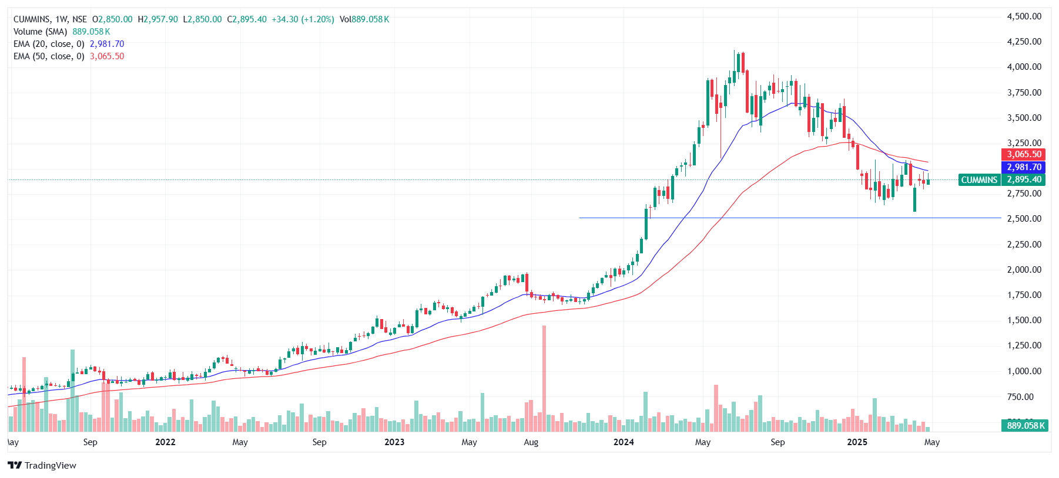
Company Name | Cummins India Ltd
ISIN Code | INE298A01020
Sector Name | Capitals Goods
Industry | Compressors Pumps & Diesel Engines
Exchange Name | BSE: 500480 , NSE: Cummins India Ltd.
Website | Cummins India Ltd
Company Description | Cummins India Ltd is a part of the Cummins Inc. Group USA. It designs, manufactures, distributes and services diesel and alternative fuel engines from 2.8 to 100 liters, diesel and alternative-fueled power generator sets of up to 3000 kW (3750 kVA), as well as related components and technology.
Current Market Price | 2895

Scenario | Case | Changes %
Base case | 2 | 16.9%

Company data
Particulars |  | Amount
No of Outstanding shares | Nos | 277,200,000.0
Face Value per share | Rs. | 2.0
Current Market Price | Rs. | 2,895.0
Market Capitalisation | INR in crs | 80,249.4

Assumptions
Increase in Industry Growth rate | % | 11.00% | (As Per IBEF Data)
Perpetual Growth rate | % | 6.40% | (As Per RBI Data)
India 10-year Rupee Bond YTM | % | 6.00% | (As Per RBI Data)
Interest rate on borrowings | % | 21.58% | (As Per Company Data)
Annual growth tapering | % | 10.25%

Sheets | References | Assumptions
Revenue Buildup | J15.S15,J18.S18 | Cost of good sold, Other Income, and Share of associates' profits are projected using 5-year average of the sale of Products.
 | D28:S30 | Scenarios is projected as taking average year as base case and adjusted by 5% for best and bear cases
Cost Buildup | J15:S15,J18:S18 | All the costs are projected as a % revenue from operations except for finance costs which are calculated on PY end borrowings and latest years's % rates are used for projections.
 | E18:S18 | Other expenses as a percentage of revenue have been calculated using the average of the latest 3 years
 | E29:S29 | The dividend payout ratio has been determined by calculating the average of the lastest 3 years'
 | J27:S30 | The tax rate is anticipated to escalate by 0.5% at three-year intervals.
 | J29:S29 | A uniform dividend payout ratio of 58% has been assumed throughout the projection period indicating a stable and consistent dividend distribution policy.
Common Sizing Statement | D10:I56 | Common size analysis assumes that expressing all line items as a percentage of a base figure (like revenue or total assets) enables easy comparison across companies and time periods. It also assumes consistency in accounting methods for meaningful insights.
Balance Sheet | J10:S39 | Balance sheet items are projected as a percentage of revenue, using the latest year’s ratios. Borrowings are adjusted based on available cash, while investments in joint ventures and associates are projected using the average percentage of revenue.
 | J11:S11 | Bank and bank balance remain constrained throughout the projected years from 2025 to 2034
 | J36:S36 | Retained earnings are projected by cumulatively adding net profit after tax and subtracting dividends each year, reflecting the company's reinvested profits.
Supporting Schedules | J14:S16 | Trade Receivables, Inventory and Trade Payables are forecasted by using DSO, DIO,DPO method
 | J22:S22 | Capex of the year 2025 has been forecasted by increasing 0.5% every year to the latest audited year i.e 2024, and depreciation rate is projected year's rate and increased by 1% every 3 years
 | J14:S16 | The average of the audited years is used to forecast DSO, DIO, and DPO.
Equity Beta | D11:S272 | Equity return has been calculated using the SLOPE function, based on the company's stock prices and market index data over the past 5 years.
Comps | D10:K23 | Comparable companies are chosen based on alignment in industry, scale, geographic presence, and business model to ensure meaningful financial comparisons.
Market Return | D8:F535 | Market return is estimated using 10 years of weekly closing data from the Nifty 50 Index, representing long-term market performance.
Summary | I10:N32 | The Football Field Chart illustrates DLF’s valuation spectrum using methods such as DCF, trading comparables, 52-week price range, and analyst estimates. It offers a visual comparison of intrinsic and market-based valuation metrics across various scenarios.

Summary
Valuation Summary - Football Field

Footabll Field Data

 |  | Comps | DCF | 52-week hi/lo | Market Consensus
 | High | 2,033 | 3,638 | 4,171 | 3,281
 | High | 2,033 | 3,638 | 4,171 | 3,281
 | Low | 912 | 2,195 | 2,580 | 1,896
 | Low | 912 | 2,195 | 2,580 | 1,896

Valuation Summary

